Chapter 5
* HƯỚNG DẪN SỬ DỤNG:
- Công thức bị ảnh hưởng bởi kí hiệu dấu thập phân '.'. Trước khi xài cần cài đặt
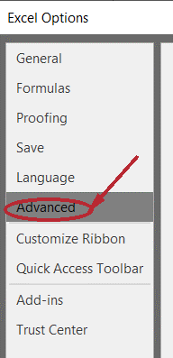
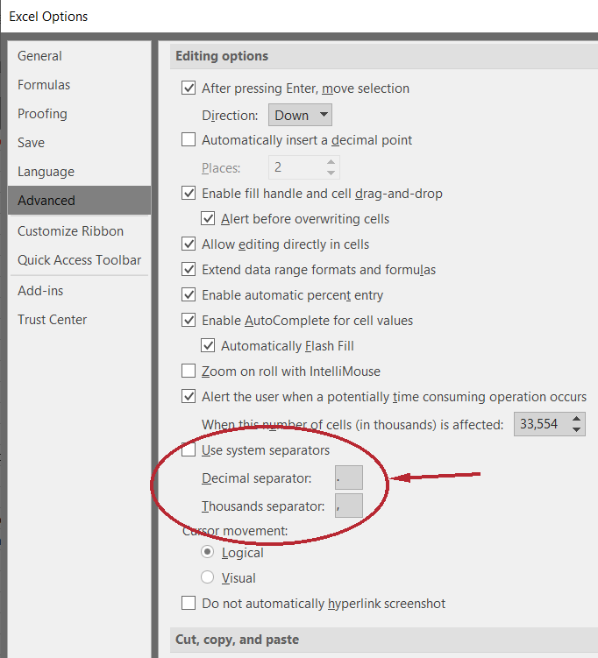



 |  | => |  |  | => |  |  | =>

 |  |  |  |  |  |  |  |  |  |  | - Bỏ tích ô Use system separator
 |  |  |  |  |  |  |  |  |  |  | - Khung Decimal separator điền dấu '.'
 |  |  |  |  |  |  |  |  |  |  | - Khung Thousands separator điền dấu ','
 |  |  |  |  |  |  |  |  |  |  | - Ấn OK là xong

- Số màu xanh là dữ liệu đầu vào cần nhập
- Số màu đỏ là kết quả
- Nếu Ctrl+V riêng mấy dãy bit dài dài trực tiếp vào ô trang tính mà bị Excel format thì Ctrl+V vào thanh công thức phía trên
- Để lấy kết quả thì chỉ cần Ctrl+C ở ô kết quả và Ctrl+V ở các ô dạng điền là được chứ không cần nhìn theo rồi gõ
- Mọi ý kiến đóng góp xin liên hệ https://www.facebook.com/newluminous

 |  | CONTIGUOUS ALLOCATION
 |  | Suppose a system uses contiguous memory allocation with the following informafion: the base address is 71640; the limit register is 2400; and a reference is 1644. Calculate the physical address of the above reference?

Logical address | Base address | Limit | Physical address
1644 | 71640 | 2400 | 73284

 |  | PROPORTIONAL MEMORY ALLOCATION (2 PROCESSES)
 |  | Suppose a system uses proportional allocation based on the size of the processes. There are two processes A and B with the size of 10 and 127 frames, correspondingly. The memory size If 64 frames, calculate the number of frames allocated for A and B

Memory size (in frame) |  | P1 size (in frame) |  | P2 size (in frame) |  | Total size
64 |  | 10 |  | 127 |  | 137
 |  | Number of frames allocated
 |  | 5 |  | 59

 |  | PROPORTIONAL MEMORY ALLOCATION (3 PROCESSES)
 |  | A system uses proportional memory allocation method. There are 3 processes In the system: P1, P2, P3 with the size of 138KB, 96KB, and 164KB, correspondingly. Suppose the memory size is 180KB, and the frame size is 2KB, calculate the number of frames allocated for processes P1, P2, P3 (e.g. 23:34:12)?

Memory size (in KB) | Frame size (in KB) |  | P1 size | P2 size | P3 size | Total size
180 | 2 |  | 138 | 96 | 164 | 398
 |  |  | Number of frames allocated |  |  | Total frame
 |  |  | 31 | 22 | 37 | 90

 |  | NON-CONTIGUOUS ALLOCATION (LOGICAL ADDRESS AS INPUT)
 |  | Given the 1-level page table of a process as bellow, with the frame size=1KB. CaLculate the physicalL address of the 1ogicaL address 4982? (e.g. 18932 or error) 2 or error)

Logical address | Page size (in bytes) |  | Page number |  | maps to | Base address in page table |  |  | Physical address
986 | 1024 |  | 0 |  | ---> | 1291 |  |  | 1322970
 |  |  | Offset |  | !!!Note: First number in the page table corresponds to page number 0
 |  |  | 986 |  | !!!Note: Make sure it is valid, or else enter error
 |  |  |  |  | !!!Note: Make sure page number < length of page table

 |  | NON-CONTIGUOUS ALLOCATION (REFERENCE(PAGE NUMBER, OFFSET) AS INPUT)
 |  | Suppose a system uses paging (1-level page table) with the frame size of 4KB; the page table of a process is [56, 120, 3]. Which is the physical address of the reference (1, 196)?

Page size (in KB) | Page size (in bytes) |  | Page number |  | maps to | Base address in page table |  |  | Physical address | =
4 |  |  | 2 |  | ---> | 3 |  |  | 12784 | 3 | * | 4096 | + | 496
!!!Note: Enter page size either in KB or bytes |  |  | Offset |  | !!!Note: First number in the page table corresponds to page number 0
 |  |  | 496 |  | !!!Note: Make sure it is valid
 |  |  |  |  | !!!Note: Make sure page number < length of page table

 |  | REGISTER DIVISION (ONE LEVEL PAGE TABLE)
 |  | Suppose a system uses paging (1-level page table) with the frame size of 4KB; the address register is 32bits. Which is the CORRECT split of the address register?

Page size (in KB) | Page size (in bytes) |  | Address register (in bits) |  | Register segmentation
4 |  |  | 32 |  | 20 | : | 12
!!!Note: Enter page size either in KB or bytes

 |  | REGISTER DIVISION (TWO LEVEL PAGE TABLE)
 |  | Suppose a system with 2-level page table; the address register is 52 bits; the frame size IS 4KB; the row size of page table is 4 bytes; Vhich is the correct register division (in number of bits) for fast address translation in the form of (p1, p2, offset)?

Page size (in KB) | Page size (in bytes) |  | Address register (in bits) |  | Row size (in bytes) |  | Register segmentation
4 |  |  | 52 |  | 4 |  | 30 | 10 | 12
!!!Note: Enter page size either in KB or bytes

 |  | EFFECTIVE ACCESS TIME WITH/WITHOUT CACHE
 |  | A system uses Translation Look-aside Buffer (TLB) for address translation in paging (1 level page table). Suppose the access time of TLB is 20ms; the access time of the memory is 200ms; and the hit rate of TLB is 84%. Which is the Effective Access Time (EAT) of the system?

Associative Lookup | Memory access time |  | Hit ratio | Effective access time |  | Access time without cache |  |  | Effective rate
20 | 200 |  | 84% | 252 |  | 400 |  |  | 1.5873015873
!!!Note: for problems below, go for Access time without cache
 |  | A system does NOT use Translation Look-aside Buffer (TLB) for address translation in paging (1 level page table). Suppose the access time of the memory is 200ms; Which is the Effective Access Time (EAT) of the system? Effective Access Time (EAT) of the system?

 |  | Suppose a system uses paging (1 level page table), and the access time of memory is 250 ms. Calculate the time to access the memory from a reference (p,d)?

 |  | ONE LEVEL PAGE TABLE SYSTEM
 |  | Suppose a system has 4GB RAM with paging, and the frame size is 1KB, frame number field is 4 bytes. Which is the maximum size of a page table?

RAM (in GB) | Frame size (in KB) |  | Total frame | Data type of frame column |  |  |  | Maximum size of page table (in MB)
4 | 1 |  | 4194304 | int (32 bits) |  |  |  | 16 |  | 22

 |  | TWO LEVEL PAGE TABLE SYSTEM
 |  | A system with 2-level page table in the form of (p1, p2, offset), and the content of page table No 1 of level 2 is: {27, v),(213, ¡),(87, v),(826, v),(92, I)}. Suppose the frame size is 4KB; the address register is 32 bịt, the number of bits for level 2 (p2) of the address register is 10. Given a reference =4200968, calculate its physical address, e.g., 12764 or Page fault?

Logical address | Address register (in bits) |  | Frame size (in KB) |  | Num of bits for p2 |  | Num of bits for p1
4196872 | 32 |  | 4 |  | 10 |  | 10
 |  |  | Page number p1
 |  |  | 1
 |  |  | Page number p2 |  | maps to | Base address in page table |  |  | Physical address
 |  |  | 0 |  | ---> | 27 |  |  | 113160
 |  |  | Offset |  |  | !!!Note: First number in the page table corresponds to page number 0
 |  |  | 2568 |  |  | !!!Note: Make sure it is valid
 |  |  |  |  |  | !!!Note: Make sure page number < length of page table
 |  |  |  |  |  | !!!Note: Keep in mind that some questions have wrong answers so pls don't blame me

 |  | SEGMENT TABLE SYSTEM
 |  | Suppose a segment table with the following rows of (base, limit, valid): {(1432823, 1236, v), (876530, 8364, v),(3898764, 2894, i),(14987378, 45288, v),(2876906, 9862, i)}. Given a reference (s, offset)=(0, 894), identify its physical address?

Segment id | maps to | Limit in segment table |  | Base address in segment table |  |  | Physical address
1 | ---> | 400 |  | 6300 |  |  | invalid
Offset |  | !!!Note: First line in the segment table corresponds to page number 0
402 |  | !!!Note: Make sure it is valid
 |  | !!!Note: Make sure segment id < length of segment table

